Sheet2
Maulana Bintang Irfansyah - 20414720132
DATA AWAL |  |  |  |  |  | NODE 1
No | Outlook | Temperature | Humadity | Windy | Play |  |  | Jumlah Kasus | NO | YES | Entropy | Gain
1 | Sunny | Hot | High | Weak | No | Total |  | 8 | 4 | 4 | 1
2 | Sunny | Hot | High | Strong | No | Outlook | Cloudy | 2 | 0 | 2 | 0 | 0.65563906223
3 | Cloudy | Hot | High | Weak | Yes |  | Rainy | 3 | 1 | 2 | 0.91829583405
4 | Rainy | Mild | High | Weak | Yes |  | Sunny | 3 | 3 | 0 | 0
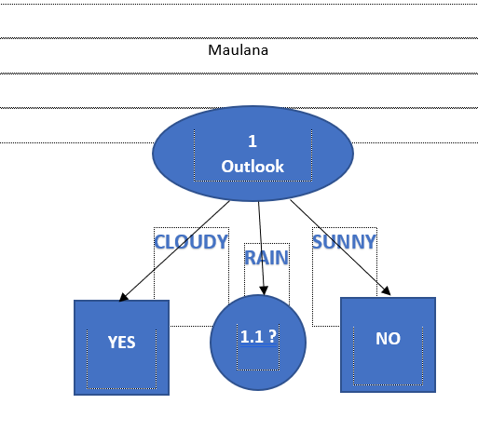
5 | Rainy | Cool | Normal | Weak | Yes | Temperature | Cool | 3 | 1 | 2 | 0.91829583405 | 0.061278124459
6 | Rainy | Cool | Normal | Strong | No |  | Hot | 3 | 2 | 1 | 0.91829583405
7 | Cloudy | Cool | Normal | Strong | Yes |  | Mild | 2 | 1 | 1 | 1
8 | Sunny | Mild | High | Weak | No | Humadity | High | 5 | 3 | 2 | 0.97095059445 | 0.048794940695
 |  |  |  |  |  |  | Normal | 3 | 1 | 2 | 0.91829583405
 |  |  |  |  |  | Windy | Weak | 5 | 2 | 3 | 0.97095059445 | 0.048794940695
 |  |  |  |  |  |  | Strong | 3 | 2 | 1 | 0.91829583405

 |  |  |  |  |  |  |  |  |  |  |  |  | 8
DATA 1.1 |  |  |  |  |  | NODE 1.1
No | Outlook | Temperature | Humadity | Windy | Play |  |  | Jumlah Kasus | NO | YES | Entropy | Gain
1 | Rainy | Mild | High | Weak | Yes | Total |  | 3 | 1 | 2 | 0.91829583405
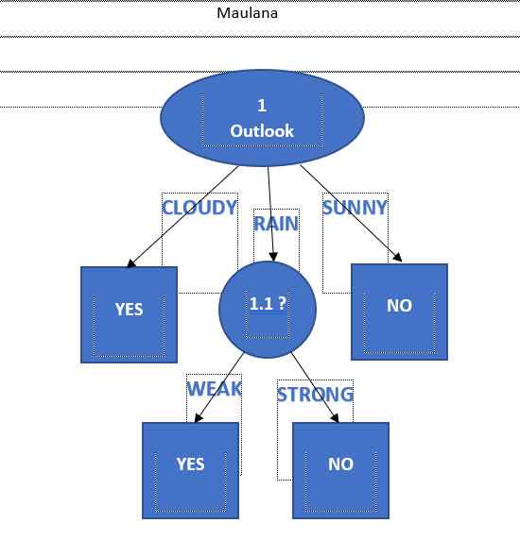
2 | Rainy | Cool | Normal | Weak | Yes | Temperature | Cool | 2 | 1 | 1 | 1 | 0.75
3 | Rainy | Cool | Normal | Strong | No |  | Hot | 0 | 0 | 0 | 0
 |  |  |  |  |  |  | Mild | 1 | 0 | 1 | 0
 |  |  |  |  |  | Humadity | High | 1 | 0 | 1 | 0 | 0.75
 |  |  |  |  |  |  | Normal | 2 | 1 | 1 | 1
 |  |  |  |  |  | Windy | Weak | 2 | 0 | 2 | 0 | 1
 |  |  |  |  |  |  | Strong | 1 | 1 | 0 | 0

